Blad1
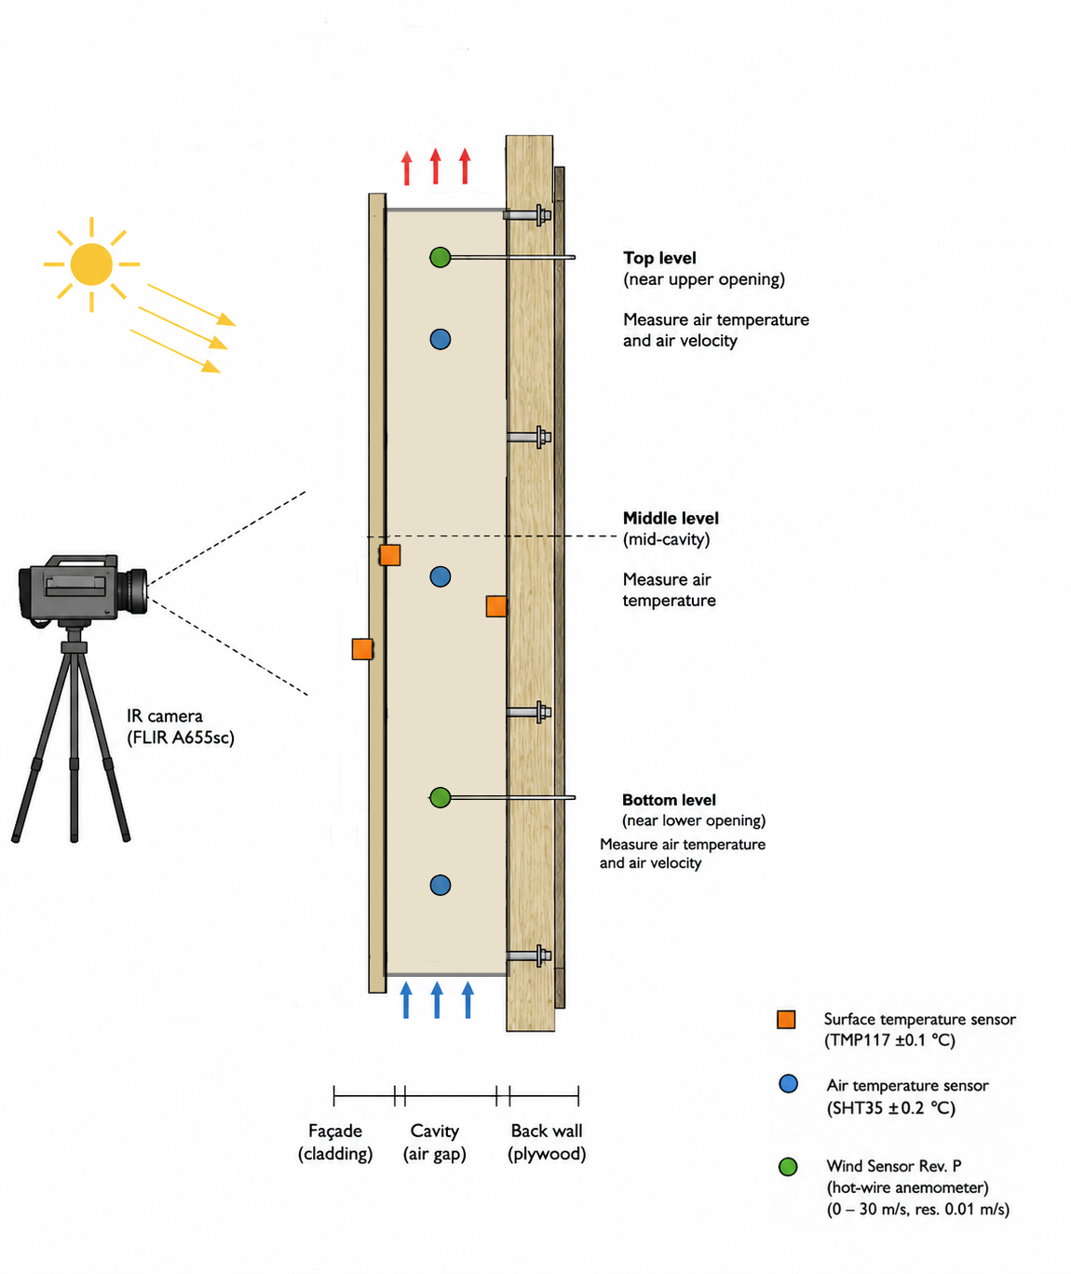
Sensor | Function | Prijs (incl. BTW) | Amount | Subtotal (incl. BTW) | Comments | URL
Adafruit TMP117 | Surface temperature meter | 13.3 | 3 | 39.90 | ±0.1°C High Accuracy | https://www.kiwi-electronics.com/nl/adafruit-tmp117-plus-0-1c-high-accuracy-i2c-temperature-sensor-stemma-qt-qwiic-10418?srsltid=AfmBOoo7ud6cdiNBVm5Bkpt9TlmnBDjAG3L5nm2pyoJu2p9-XRAu5Nqj
Sesirion SHT35 | Ambient air temperature sensor | 18.5 | 3 | 55.50 |  | https://botland.store/digital-temperature-sensors/17381-sht35-digital-temperature-and-humidity-sensor-breakout-dfrobot-sen0333-6959420916702.html
Wind Sensor Rev. P | Hot wire anemometer; measures airflow speed | 34.95 | 2 | 69.90 |  | https://moderndevice.com/products/wind-sensor-rev-p
 |  |  |  | 165.30 | In the case we can use Arduino + datalogger from LPL

Overige
Arduino Uno R4 wifi | Microcontroller | 30.24 | 1 | 30.24 | Only if we are not able to use the arduino's from LPL | https://www.kiwi-electronics.com/nl/arduino-uno-r4-wifi-11477?country=NL&utm_term=11477&gad_source=1&gad_campaignid=21038850362&gbraid=0AAAAADuMvudxPYtA34VnWv1Bd92ro-Zpk&gclid=CjwKCAjwrNrQBhBjEiwAoR4VO00FBpthsn2UQxnyyVCff6hkgb4buGN1RMiNWVr8yoqkhxwcEv-mvhoCJMMQAvD_BwE
TRU COMPONENTS TC-8579880 Shield | Arduino data logger | 8.99 | 1 | 8.99 | Only if we are not able to use the arduino data logger shield from LPL | https://www.conrad.nl/nl/p/tru-components-tc-8579880-shield-2144970.html
 |  |  |  | 39.23

Total (incl. BTW) |  |  |  | 204.53 | If we also need to order the data logger and the arduino.

convection experimental setup sensors

